1. Title Page
Grocery Basket Analysis

Project Name: Instacart Grocery Basket Analysis
Date: 25/08/2023
Analyst Name: Isaac Otubanjo

Contents:
Population Flow
Consistency checks
Wrangling steps
Column derivations
Visualizations
Recommendations

Note: Instacart is a real company that has made their data available online, However, some of the contents of this project have been fabricated for the purpose of this Achievement project. For example, the customer dataset (customers.csv) and the prices column in the products dataset have been fabricated.

2. Population Flow
Title page

Population flow

Exclusion flag
Condition: max_order < 5
Obervations to be removed: 1,440,295 low activity customers
Final total count of order_products_all: 30,964,564

Orders_products_combined
Orders_products_merged
Orders_products_all

Total: 32,404,859 rows x 13 columns
Total: 32,404,859 rows x 13 columns
Total: 32,404,859 rows x 32 columns

1.) The grey boxes in the first row of the population flow represent the original data sets as they were when you downloaded them. In the Total fields you need to add the count of the rows when you imported the data set into Jupyter.
2.) The second row of boxes (coloured) represents the data sets after you manipulated them, e.g., removed missing values and duplicates. In the Total fields you need to add the count of the rows after conducting these operations. This offers a visual oveview of how the data flows throughout the data consistency checks.
3.) The third row, where also the arrows are coloured, represents the merges you performed between the datasets. In the Total fields you need to add the count of the rows in the merged datasets, so that you end up with the final dataset (in the red box). Keep in mind the final dataset should be without exclusions (based on the exclusion flag).

3. Consistency checks
 |  |  |  |  | Title page
Consistency checks

Dataset | Missing values | Missing values treatment | Duplicates | Outliers
orders | There are 206,209 missing values in the 'days_since_last_order' column. | The data was changed from missing to 0 since they represented all customers that made orders for the first time so there were no prior order days. | There are no duplicates. | No outliers.
products | There are 16 missing values in 'product_name' column. | The missing values were removed. | There were 5 duplicates. | There were 2 prices that were outliers: $14,900 for Lowfat Milkfat Cottage Cheese and $99,999 for Reduced Fat Milk. There prices were replaced with 'missing' ans they affected the histogram and scatterplot visualiations and also the mean values for the department goods.
orders_products_prior | There are no missing values. |  | There are no duplicates. | No outliers.
customers | There are 11,259 missing values in the "First Name" column. | The missing values were untouched because they were in the first name column and the column was irrelevant to our analysis. The column was eventually removed as it contained PII (personally identifiable information). | There are no duplicates. | No outliers.

4. Wrangling steps
Wrangling steps
 |  |  |  | Title page
 |  |  |  | Instacart Grocery Basket Analysis

Columns dropped | Columns renamed | Columns' type changed | Comment/Reason
'eval_set' |  |  | Irrelevant to analysis
'First Name' |  |  | Considering Security Implications
'Last Name' |  |  | Considering Security Implications
'unnamed:0' |  |  | Irrelevant to analysis
 | 'Surnam' to 'Last Name' |  | Spelling and consistency
 | 'STATE' to 'State' |  | Consistency
 | 'date_joined' to 'Date Joined' |  | Consistency
 | 'n_dependants' to 'No of dependants' |  | Consistency
 | 'fam_status' to 'Marital Status' |  | Consistency
 | 'income' to 'Income' |  | Consistency
 | 'order_dow' to 'order_day_of_week' |  | Consistency
 | 'days_since_prior_order' to 'days_since_last_order' |  | Consistency and ease of understanding
 |  | 'order_id' to string | Used to categorise number of orders so it is better represented as string

5. Column derivations
 |  |  |  | Title page
 |  |  |  | Instacart Grocey Basket Analysis
Column derivations and aggregations

In this tab you should add tables below that the frequences of flags/label variables that you produced after deriving them. NB: don't do this for continuous variables, only for flags.
Dataset | New column | Column/s it was derived from | Conditions
df_ords_prods_merged | price_range_loc | prices | "Low-range product" (value is <= 5) "Mid-range product" (value >5 and <=15) "High-range product" (value > 15)
df_merged_large | merge | order_id | Merge on order_id
df_ords_prods_merged | busiest_day_of_week | order_day_of_week | "Busiest day" (value = 0) "Least Busy" (value = 4) "Regularly busy" (value = else)
df_ords_prods_merged | busiest_days | order_day_of_week | "Busiest days" (value = 0, 1) "Least Busy days" (value = 3, 4) "Regularly busy day" (value = else)
df_ords_prods_merged | busiest_period_of_day | order_hour_of_day | "Most orders" (value = 10, 11, 14, 15, 13, 12 16, 9) "Average orders" (value = else) "Fewest orders" (value = 0,1,2,3,4,5,6,23)
df_ords_prods_merged | loyalty_flag | max_order | "Loyal customer" (value > 40) "Regular customer" (value<=40 and >10) "New customer" (value <=10)
df_ords_prods_merge | spending_flag | avg_price | "Low spender" (value < 10) "High spender" (value >=10)
df_ords_prods_merge | order_frequency_flag | median_days | "'Frequent customer" (value > 20) "Regular customer" (value > 10 and <= 20) "Non-frequent customer" (value <=10)
df_merged | Region | States | Census Bureau regional segmentation
df_merged | customer_activity | max_order | "High_activity_customer" (value >= 5) "Low_activity_customer" (value < 5)
df_merged | Age_category | Age | "middle_aged_adult" (value >= 40 and <60) "young_adult" (value < 40) "Old_adult" (value >= 60)
df_merged | income_category | "Median_income" (value >=50,000 and < 149,999) "high_income" (value >=145,500) "low_income" (<48,500) | "Median_income" (value >=50,000 and < 149,999) "High_income" (value >=149,999) "Low_income" (value <=49,999)
df_merged | customer_snack | department_id AND user_id | "snack_buyer" (value = 19) "non_snack_buyer" (value != 19)
df_merged | customer | department_id AND user_id | "meat_seafood_buyer" (value = 12) "non_meat_seafood_buyer" (value != 12)
df_merged | family_status_flag | Marital_status AND No_of_dependants | "Married WITH Dependants" (value = 'married', >=1) "Single with NO Dependants" (value = 'divorced/widowed', 'living with parents and siblings', 0) "Married with NO Dependants" (value = 'married', 0) "Single WITH Dependants" (value = 'divorced/widowed', 'living with parents and siblings',>=1)

6. Visualizations
 |  |  |  |  |  |  |  |  |  |  |  | Title page

Visualisations

In this tab you should include all the visualtions from Exercises 4.9 and 4.10, alongside the questions from the project brief that they answer. Include any commentary on the relationship between different variables.

1. The sales team needs to know what the busiest days of the week and hours of the day are (i.e., the days and times with the most orders) in order to schedule ads at times when there are fewer orders.
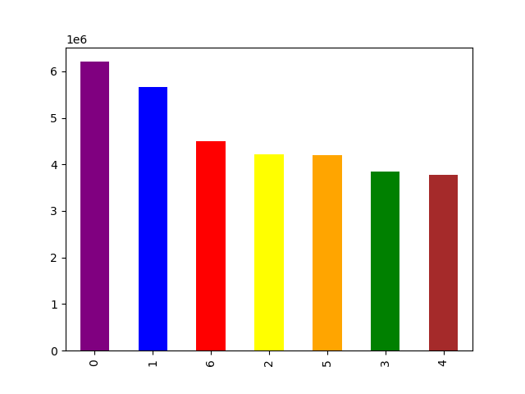


 |  |  |  |  |  |  | Legend
 |  |  |  |  |  |  | 0 - Saturday
 |  |  |  |  |  |  | 1 - Sunday
 |  |  |  |  |  |  | 2- Monday
 |  |  |  |  |  |  | 3 - Tuesday
 |  |  |  |  |  |  | 4 - Wednesday
 |  |  |  |  |  |  | 5 - Thursday
 |  |  |  |  |  |  | 6 - Friday

 |  |  |  | The weekend (Saturday and Sunday) is the busiest time of the week while Tuesdays and Wednesdays are usually the quietest.
 |  |  |  | Most orders are placed between 10 am and 4pm. After 4pm, the number of orders decreases.

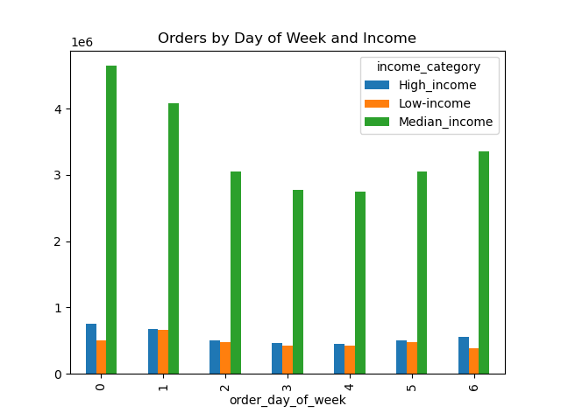
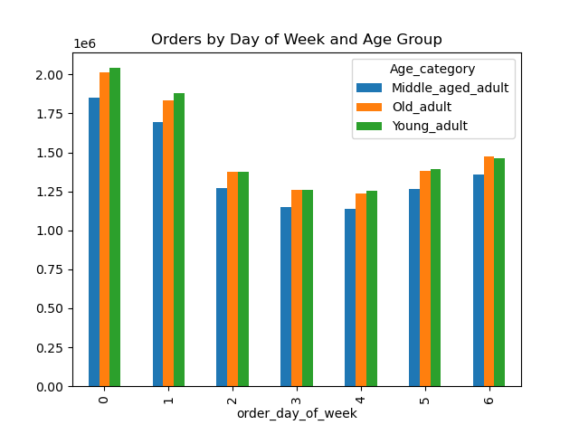
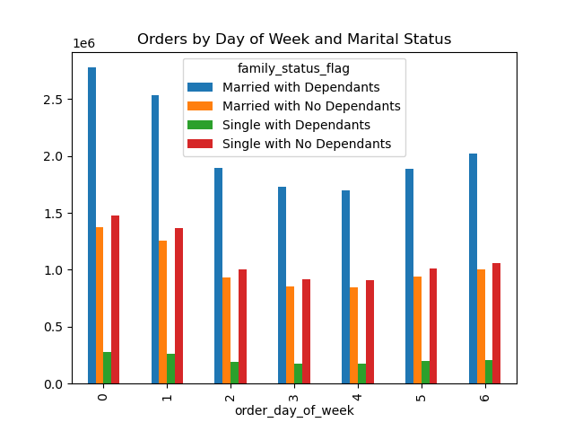

 |  |  |  |  |  |  |  | The weekend is the busiest time of the week for all customer profiles but low-income customers seem to order less on Saturdays than Sundays which goes against the general trend .

2. They also want to know whether there are particular times of the day when people spend the most money, as this might inform the type of products they advertise at these times.
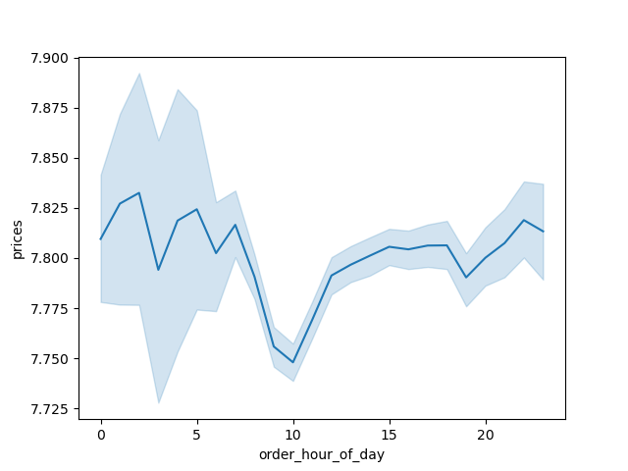

 |  |  |  | There is a peak at 2am (which suggests that people are spending more during the night) but the price remains steady throughout the day.

3. Instacart has a lot of products with different price tags. Marketing and sales want to use simpler price range groupings to help direct their efforts.

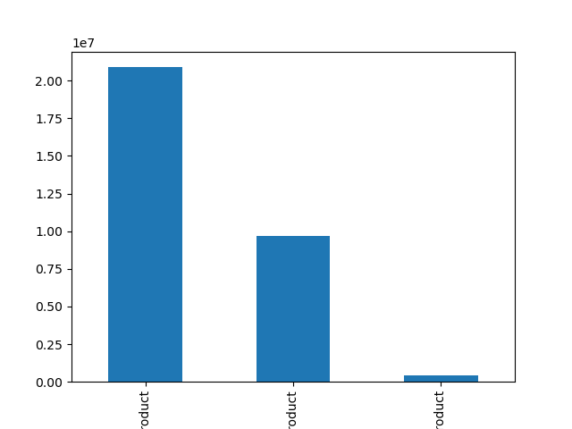
 |  |  |  |  |  |  | Conditions
 |  |  |  |  |  |  | '"Low-range product" (price is <= 5)
 |  |  |  |  |  |  | "Mid-range product" (price >5 and <=15)
 |  |  |  |  |  |  | "High-range product" (price > 15)

 |  |  |  |  |  |  | price_range_loc | Number of Orders | % of Total | Frequency | Average Price
 |  |  |  |  |  |  | Mid-range product | 20,891,771 | 67% | 10.8 | 9.76
 |  |  |  |  |  |  | Low-range product | 9,674,840 | 31% | 10.8 | 3.02
 |  |  |  |  |  |  | High-range product | 397,953 | 1% | 11.1 | 20.61

 |  |  | Mid-range price products are the most sold products followed by low-range products.
 |  |  | High-range products are purchased less frequently.

4. Are there certain types of products that are more popular than others? The marketing and sales teams want to know which departments have the highest frequency of product orders.

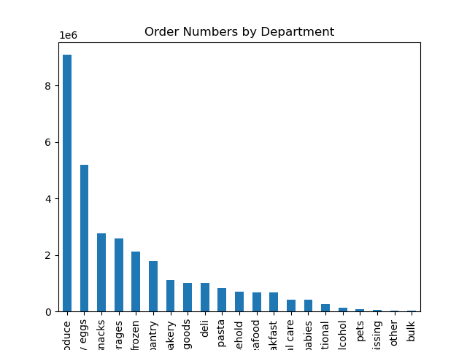
 |  |  |  |  |  |  |  | department | Number of Orders | % of Total | Frequency | Average Price
 |  |  |  |  |  |  |  | produce | 9,079,273 | 29% | 10.6 | 8.0
 |  |  |  |  |  |  |  | dairy eggs | 5,177,182 | 17% | 10.7 | 8.3
 |  |  |  |  |  |  |  | snacks | 2,766,406 | 9% | 10.7 | 4.3
 |  |  |  |  |  |  |  | beverages | 2,571,901 | 8% | 10.8 | 7.7
 |  |  |  |  |  |  |  | frozen | 2,121,731 | 7% | 11.4 | 7.7
 |  |  |  |  |  |  |  | pantry | 1,782,705 | 6% | 10.8 | 8.0
 |  |  |  |  |  |  |  | bakery | 1,120,828 | 4% | 10.8 | 7.9
 |  |  |  |  |  |  |  | canned goods | 1,012,074 | 3% | 11.3 | 7.5
 |  |  |  |  |  |  |  | deli | 1,003,834 | 3% | 11.1 | 7.8
 |  |  |  |  |  |  |  | dry goods pasta | 822,136 | 3% | 11.4 | 7.3
 |  |  |  |  |  |  |  | household | 699,857 | 2% | 11.6 | 7.4
 |  |  |  |  |  |  |  | meat seafood | 674,781 | 2% | 11.1 | 16.3
 |  |  |  |  |  |  |  | breakfast | 670,850 | 2% | 11.0 | 8.0
 |  |  |  |  |  |  |  | personal care | 424,306 | 1% | 11.3 | 8.0
 |  |  |  |  |  |  |  | babies | 410,392 | 1% | 9.8 | 7.6
 |  |  |  |  |  |  |  | international | 255,991 | 1% | 11.0 | 7.7
 |  |  |  |  |  |  |  | alcohol | 144,627 | 0% | 10.0 | 8.2
 |  |  |  |  |  |  |  | pets | 93,060 | 0% | 11.6 | 7.9
 |  |  |  |  |  |  |  | missing | 64,768 | 0% | 9.9 | 8.7
 |  |  |  |  |  |  |  | other | 34,411 | 0% | 10.6 | 7.0
 |  |  |  |  |  |  |  | bulk | 33,451 | 0% | 9.9 | 8.3

 |  |  |  |  | Produce and dairy eggs and snacks make up almost half of the orders.
 |  |  |  |  | Household and pet products are the ones bought with less frequency while baby products and alcohol are purchased more frequently.
 |  |  |  |  | The department with the highest average price is meat seafood and the one with the lowest is snacks.

5. What’s the distribution among users in regards to their brand loyalty (i.e., how often do they return to Instacart)?


 |  |  |  |  |  |  | Conditions
 |  |  |  |  |  |  | "Loyal customer" (# of orders > 40)
 |  |  |  |  |  |  | "Regular customer" (# of orders <=40 and >10)
 |  |  |  |  |  |  | "New customer" (# of orders <10)

 |  |  |  |  |  |  | loyalty_flag | Number of Orders | % of Total | Frequency | Average Price
 |  |  |  |  |  |  | Regular customer | 15,876,776 | 51% | 12.2 | 7.8
 |  |  |  |  |  |  | Loyal customer | 10,284,093 | 33% | 6 | 7.77
 |  |  |  |  |  |  | New customer | 4,803,695 | 16% | 17.6 | 7.8

 |  |  |  |  |  | Regular customer have placed the most orders.
 |  |  |  |  |  | New customers are the ones placing fewer orders less often.
 |  |  |  |  |  | Loyal customers place orders more often.

6. Are there differences in ordering habits based on a customer’s region?

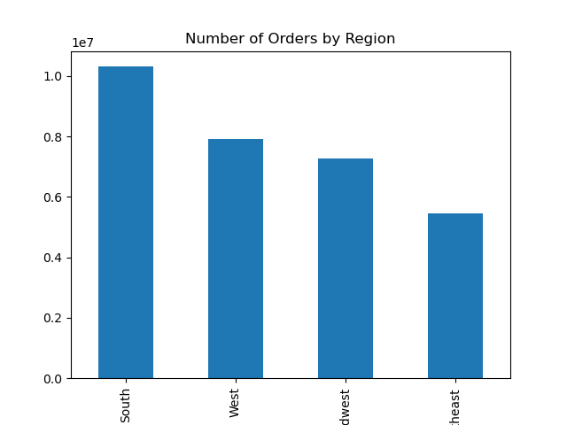

 |  |  |  |  |  |  | region | Number of Orders | % of Total | Frequency | Average Price
 |  |  |  |  |  |  | South | 10,311,139 | 33% | 10.8 | 7.79
 |  |  |  |  |  |  | West | 7,927,227 | 26% | 10.8 | 7.79
 |  |  |  |  |  |  | Midwest | 7,261,513 | 23% | 10.9 | 7.79
 |  |  |  |  |  |  | Northeast | 5,464,685 | 18% | 10.8 | 7.78

 |  |  |  |  |  | South region is responsible for a third of all the orders on Instacart.
 |  |  |  |  |  | Ordering habits are consistent across all regions, with similar frequency, average price and product mix.

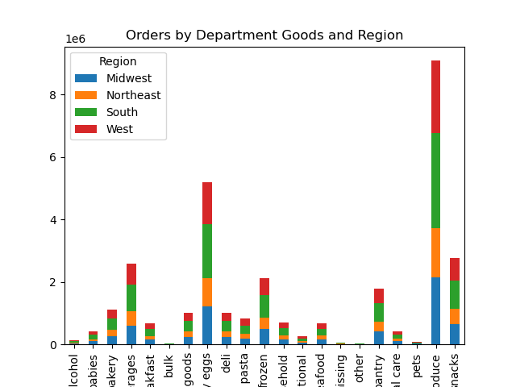

 |  |  |  |  |  |  |  | Region | Produce | Dairy Eggs | Snacks | Others
 |  |  |  |  |  |  |  | Midwest | 29.4% | 16.7% | 8.9% | 45%
 |  |  |  |  |  |  |  | Northeast | 29.2% | 16.7% | 9% | 45.1%
 |  |  |  |  |  |  |  | South | 29.4% | 16.7% | 8.9% | 45%
 |  |  |  |  |  |  |  | West | 29.3% | 16.7% | 9% | 45%
 |  |  |  |  |  |  |  | Total | 29.3% | 16.7% | 8.90% | 45%

 |  |  |  |  |  |  | Orders of particular goods have remained consistent in different regions which has led to the products having the same overall share of the total orders as they have in respective regions.

 | Is there a connection between age and family status in terms of ordering habits?

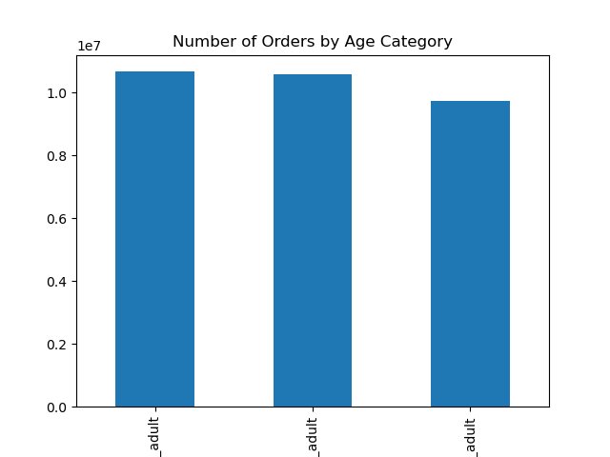

 |  |  |  |  |  |  | Conditions
 |  |  |  |  |  |  | "young_adult" (value < 40)
 |  |  |  |  |  |  | "middle_aged_adult" (value >= 40 and <60)
 |  |  |  |  |  |  | "old_adult" (value >= 60)

 |  |  |  |  |  |  | age_group | Number of Orders | % of Total | Frequency | Average Price
 |  |  |  |  |  |  | young_adult | 10,665,110 | 34% | 10.8 | 7.78
 |  |  |  |  |  |  | old_adult | 10,574,504 | 34% | 10.8 | 7.8
 |  |  |  |  |  |  | middle_aged_adult | 9,724,950 | 31% | 10.8 | 7.79

 |  |  |  |  |  | Middle-aged adults have placed fewer orders than other age categories but the split between the age categories is very small.
 |  |  |  |  |  | Ordering habits are consistent across age groups, with similar frequency and average price.

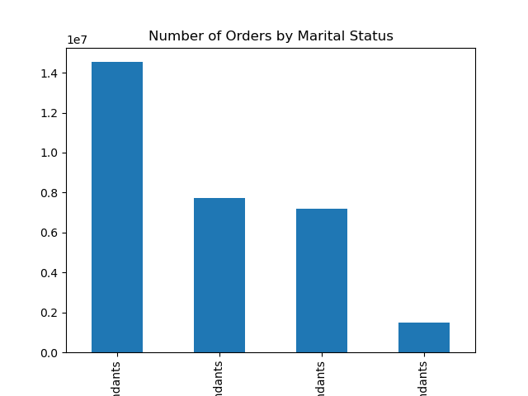

 |  |  |  |  |  |  |  | family_status_flag | Number of Orders | % of Total | Frequency | Average Price
 |  |  |  |  |  |  |  | Married with Dependants | 14,532,650 | 47% | 10.8 | 7.79
 |  |  |  |  |  |  |  | Single with no Dependants | 7,739,681 | 25% | 10.8 | 7.79
 |  |  |  |  |  |  |  | Married with no Dependants | 7,211,061 | 23% | 10.8 | 7.8
 |  |  |  |  |  |  |  | Single with Dependants | 1,481,172 | 5% | 10.8 | 7.8

 |  |  |  |  |  | Majority of the orders have been placed by Married customers with Dependants while only 5% of orders are from Single customers with Dependants.
 |  |  |  |  |  | Ordering habits are consistent across different family statuses, with similar frequency and average price.

 | What different classifications does the demographic information suggest? Age? Income? Certain types of goods? Family Status?

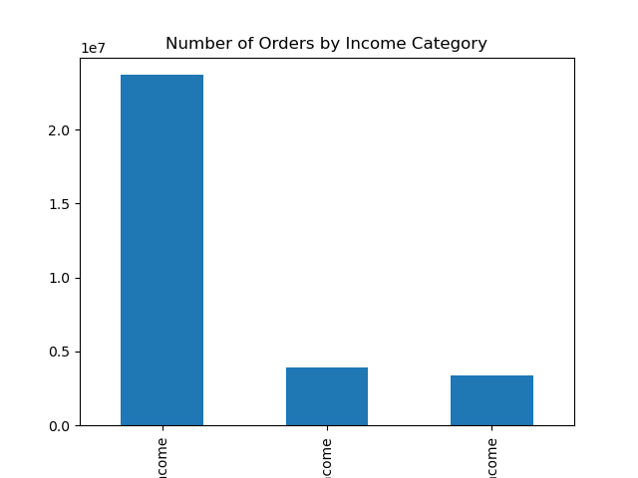

 |  |  |  |  |  |  |  | Conditions
 |  |  |  |  |  |  |  | "low_income" (<=49,999)
 |  |  |  |  |  |  |  | "middle_income" (value >=50,000 and < 149,999)
 |  |  |  |  |  |  |  | "high_income" (value >=149,999)

 |  |  |  |  |  |  |  | income_group | Number of Orders | % of Total | Frequency | Average Price
 |  |  |  |  |  |  |  | middle_income | 23,128,350 | 75% | 10.8 | 7.91
 |  |  |  |  |  |  |  | high_income | 4,690,090 | 15% | 10.7 | 7.94
 |  |  |  |  |  |  |  | low_income | 3,146,124 | 10% | 11.2 | 6.68

 |  |  |  |  |  |  | 75% of orders are placed from middle-income customers while only 10% are from low-income customers.
 |  |  |  |  |  |  | Ordering habits are different across income groups. Low-income users place orders less frequently and the average price is lower.
 |  |  |  |  |  |  | High and Middle-income users have similar frequency and average prices.

What differences can you find in ordering habits of different customer profiles? Consider the price of orders, the frequency of orders, the products customers are ordering, and anything else you can think of.

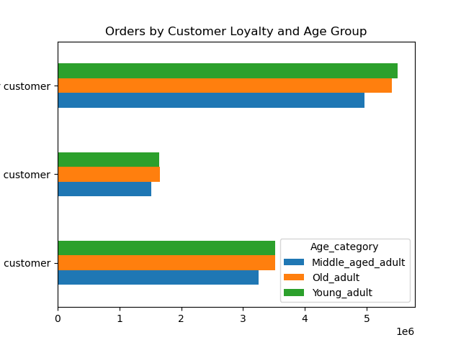

 |  |  |  |  |  |  | loyalty_flag | age_category | Number of Orders | % of Total | Frequency | Average Price
 |  |  |  |  |  |  | Regular customer | middle_aged_adult | 4,961,030 | 16% | 12.2 | 7.8
 |  |  |  |  |  |  |  | old_adult | 5,409,756 | 17% | 12.1 | 7.8
 |  |  |  |  |  |  |  | young_adult | 5,505,990 | 18% | 12.2 | 7.79
 |  |  |  |  |  |  | New customer | middle_aged_adult | 1,513,986 | 5% | 17.7 | 7.8
 |  |  |  |  |  |  |  | old_adult | 1,649,975 | 5% | 17.6 | 7.81
 |  |  |  |  |  |  |  | young_adult | 1,639,734 | 5% | 17.5 | 7.8
 |  |  |  |  |  |  | Loyal customer | middle_aged_adult | 3,249,934 | 10% | 6 | 7.77
 |  |  |  |  |  |  |  | old_adult | 3,514,773 | 11% | 6 | 7.78
 |  |  |  |  |  |  |  | young_adult | 3,519,386 | 11% | 6 | 7.77

 |  |  |  |  | The age distribution across the different loyalty flags seem fairly even.

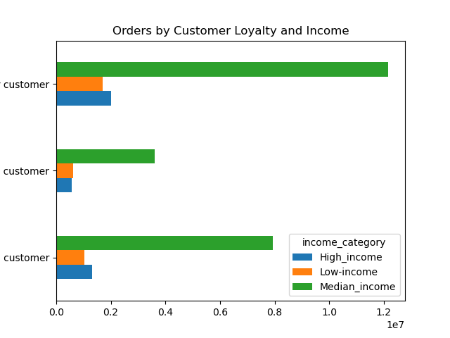

 |  |  |  |  |  |  | loyalty_flag | income_category | Number of Orders | % of Total | Average Price
 |  |  |  |  |  |  | Regular customer | middle_income | 11,864,790 | 38% | 7.91
 |  |  |  |  |  |  |  | low_income | 1,592,753 | 5% | 6.7
 |  |  |  |  |  |  |  | high_income | 2,419,233 | 8% | 7.95
 |  |  |  |  |  |  | New customer | middle_income | 3,513,391 | 11% | 7.96
 |  |  |  |  |  |  |  | low_income | 589,972 | 2% | 6.6
 |  |  |  |  |  |  |  | high_income | 700,332 | 2% | 8
 |  |  |  |  |  |  | Loyal customer | middle_income | 7,750,169 | 25% | 7.88
 |  |  |  |  |  |  |  | low_income | 963,399 | 3% | 6.7
 |  |  |  |  |  |  |  | high_income | 1,570,525 | 5% | 7.91

 |  |  |  |  | The purchasing power across the different types of customers is similar.
 |  |  | The high-income class are spending lesser than the middle income because they are smaller but also higher than the low income because they are slightly larger than the low income group.

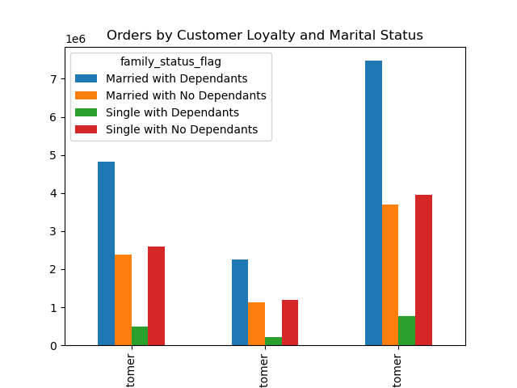

 |  |  |  |  |  |  |  | loyalty_flag | family_status_flag | Number of Orders | % of Total | Frequency | Average Price
 |  |  |  |  |  |  |  | Regular customer | Single with no Dependants | 3,949,572 | 13% | 12.17 | 7.79
 |  |  |  |  |  |  |  |  | Single with Dependants | 766,644 | 2% | 12.08 | 7.80
 |  |  |  |  |  |  |  |  | Married with no Dependants | 3,689,346 | 12% | 12.13 | 7.81
 |  |  |  |  |  |  |  |  | Married with Dependants | 7,471,214 | 24% | 12.17 | 7.80
 |  |  |  |  |  |  |  | New customer | Single with no Dependants | 1,201,265 | 4% | 17.62 | 7.80
 |  |  |  |  |  |  |  |  | Single with Dependants | 221,779 | 1% | 17.75 | 7.81
 |  |  |  |  |  |  |  |  | Married with no Dependants | 1,136,142 | 4% | 17.54 | 7.81
 |  |  |  |  |  |  |  |  | Married with Dependants | 2,244,509 | 7% | 17.60 | 7.80
 |  |  |  |  |  |  |  | Loyal customer | Single with no Dependants | 2,588,844 | 8% | 5.99 | 7.78
 |  |  |  |  |  |  |  |  | Single with Dependants | 492,749 | 2% | 6.00 | 7.80
 |  |  |  |  |  |  |  |  | Married with no Dependants | 2,385,573 | 8% | 6.05 | 7.77
 |  |  |  |  |  |  |  |  | Married with Dependants | 4,816,927 | 16% | 6.04 | 7.77

 |  |  |  |  | Based on loyalty, the family status across the different types of customers is similar.

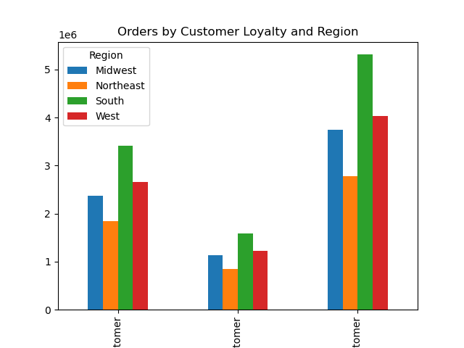

 |  |  |  |  |  |  |  | loyalty_flag | region | Number of Orders | % of Total | Frequency | Average Price
 |  |  |  |  |  |  |  | Regular customer | Midwest | 3,750,978 | 12% | 12.23 | 7.80
 |  |  |  |  |  |  |  |  | Northeast | 2,780,744 | 9% | 12.15 | 7.79
 |  |  |  |  |  |  |  |  | South | 5,311,631 | 17% | 12.14 | 7.80
 |  |  |  |  |  |  |  |  | West | 4,033,423 | 13% | 12.11 | 7.80
 |  |  |  |  |  |  |  | New customer | Midwest | 1,136,761 | 4% | 17.55 | 7.81
 |  |  |  |  |  |  |  |  | Northeast | 842,156 | 3% | 17.59 | 7.78
 |  |  |  |  |  |  |  |  | South | 1,593,664 | 5% | 17.64 | 7.80
 |  |  |  |  |  |  |  |  | West | 1,231,114 | 4% | 17.60 | 7.81
 |  |  |  |  |  |  |  | Loyal customer | Midwest | 2,373,774 | 8% | 6.06 | 7.78
 |  |  |  |  |  |  |  |  | Northeast | 1,841,785 | 6% | 6.04 | 7.77
 |  |  |  |  |  |  |  |  | South | 3,405,844 | 11% | 6.01 | 7.78
 |  |  |  |  |  |  |  |  | West | 2,662,690 | 9% | 6.00 | 7.77

 |  |  |  |  | All customer loyalty categories have a fairly similar distribution across the different regions.

Comparing Profiles with department goods with the highest and lowest average price

Highest Average Price (Meat Seafood)

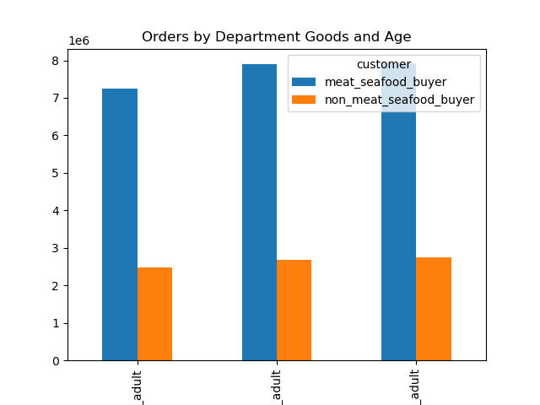
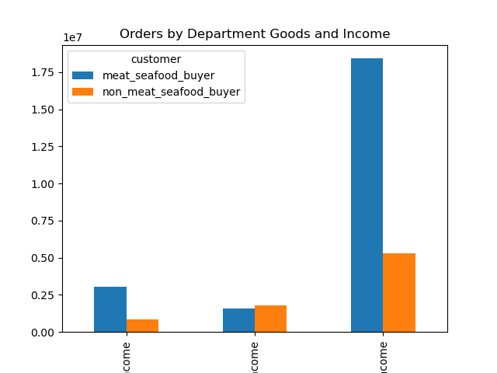
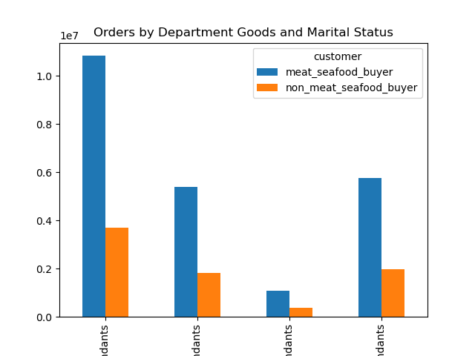

 |  | Young adults are the highest meat seafood consumers |  |  |  |  | Median income earners have the highest orders in this group which is consistent with the overall trend |  |  |  |  | Married with Dependants have the highest orders in both categories as expected

Lowest Average Price (Snacks)

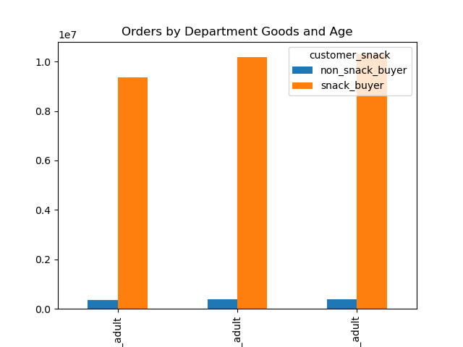
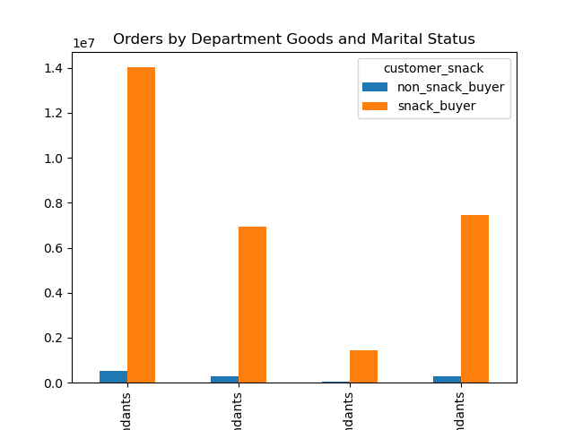
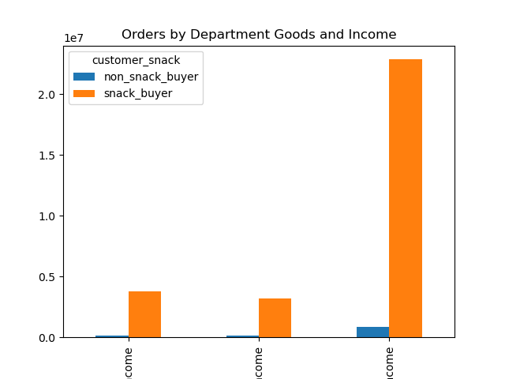

 |  | Young adults are the highest snacks consumers
 |  |  |  |  |  |  | Median income earners have the highest orders in this group which is consistent with the overall trend |  |  |  |  | Married with Dependants have the highest orders in both categories as expected

7. Recommendations
 |  |  | Title page

Recommendations

In this tab you should include any recommendations you would made to Instcart in terms of their marketing strategy based on the questions posed in the brief. Every key question has been covered in the Tasks of the Exercises - here you need to add an item - a visualisation or table/crosstable that is showing the answer in the data, acompanied by a comment from you. Please, list the questions below and add the answer underneath.

Question | Answers | Recommendations
The sales team needs to know what the busiest days of the week and hours of the day are (i.e., the days and times with the most orders) in order to schedule ads at times when there are fewer orders. | - Saturdays and Sundays are the busiest time of the week while Tuesdays and Wednesdays are the quietest. - Most orders are placed between 10 am and 4 pm. After 4 pm, the number of orders decreases. - The weekend is the busiest time of the week for all customer profiles but low-income customers seem to order less on Saturdays. | "- Running ads on Tuesdays and Wednesdays. - Company can also increase staffing on busiest days to handle orders and reduce them on the quiet days to save cost. - Offering a promo code to be used on Wednesdays since that is the quietest day. - Running ads between 4 pm and 11 pm. - Even though very few orders are placed in the early morning (12 am - 6 am), the recommendation is to not run ads during this time of the day as customers are generally inactive at this time and the ads will not reach their intended target.
They also want to know whether there are particular times of the day when people spend the most money, as this might inform the type of products they advertise at these times. | There is a peak at 2 am but the price remains steady throughout the day. | - Highly priced items can be promoted around 12am - 2am. This might attract more high profile sales.
Instacart has a lot of products with different price tags. Marketing and sales want to use simpler price range groupings to help direct their efforts. | - Mid-range price products are the most sold products followed by low-range products. - High-range products are purchased less frequently. | - Ads can be run to promote high-range price products. `High-range products with the lowest sales can also be paired with mid-rangers of the same category to boost sales.
Are there certain types of products that are more popular than others? The marketing and sales teams want to know which departments have the highest frequency of product orders. | - Produce, dairy eggs and snacks account for half of the orders. - Household and pet products are the ones bought with less frequency while baby products and alcohol are purchased more frequently. - The department with the highest average price is meat seafood and the one with the lowest is snacks. | - Snack products account for 9% of sales but have the lowest average price. Instacart can introduce higher priced snacks which could help drive revenue for this category.
What’s the distribution among users in regards to their brand loyalty (i.e., how often do they return to Instacart)? | -The majority of orders have been placed by regular customers. - New customers are the ones placing fewer orders less often. - Loyal customers place orders more often. | - Running ads and offering incentives such as price deals to new customers to try to increase the frequency at which they place orders. - Offering a loyalty program to try to turn regular customers into loyal customers.
Are there differences in ordering habits based on a customer’s region? | - A third of orders have been placed by users located in the South region. - The Northeast also has the lowest number of orders placed. - Ordering habits are consistent across all regions, with similar frequency, average price and department goods. | - Running ads to target the Northeast, Midwest and West regions.
Is there a connection between age and family status in terms of ordering habits? | - Middle-aged adults are the group that has placed fewer orders but the split between the 3 age groups is similar. - Ordering habits are consistent across age groups, with similar frequency and average price. - Almost half of the orders have been placed by Married customers with Dependants while only 5% of orders are from Single customers WITH Dependants. - Ordering habits are consistent across different family statuses, with similar frequency and average price. | - Introducing affordable items for kids to incentivize purchases from Single customers with dependants. - Stocking products and running ads for customers with no dependants.
What different classifications does the demographic information suggest? Age? Income? Certain types of goods? Family status? | - 75% of orders are placed from middle-income users while only 10% are from low-income users. - Ordering habits are different across income groups. Low-income users place orders less frequently and the average price is lower. High and Middle-income users have similar frequency and average prices in relation to their size. | - Running ads targeting high and low-income customers. - Introducing and promoting esteemed items to engage high-income customers. - Introducing and promoting affordable items to boost purchases from low-income customers.
What differences can you find in ordering habits of different customer profiles? Consider the price of orders, the frequency of orders, the products customers are ordering, and anything else you can think of. | - The age distribution across the different types of customers is even. - The purchasing power across the different types of customers is similar. - The family status across the different types of customers is similar. - Regular, New and Loyal Customers have a similar distribution across the different regions. | - Individual recommendations for previous question(s) will apply to this group.
Customer profile = meat seafood customer | Low-income customers buy less meat and seafood products. | - Introduce and promote non-animal protein to incentivize more purchases from low-income customers
Customer profile = snack customer | Most customers have purchased snacks. Ordering habits between snack buyers and non buyers are consistent with the general trends. | Introduce and promote snack substitutes to attract low-income customers.

